Colour Table Template
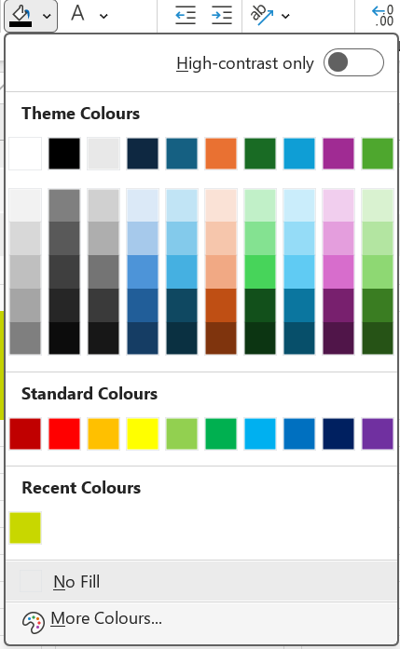
 | Public | Private Colour | Secret Mix Public + Private | Friend's Mix | Final Mix | To fill colours click on the fill button and select More Colours
R | 15 | 12 | 27 |  | 27
G | 60 | 18 | 78 |  | 78
B | 0 | 58 | 58 |  | 58
 |  | 88

 |  | Click here and enter values from the column above into the colour mixer by clicking Fill | Mix the colour above here and share the HEX code with your partner | Colour this with the HEX code from your friend and enter the RGB values above | Enter the HEX code of the RGB value above

